Sheet
No | 테스트 절차 | 테스트 결과(화면캡쳐) | 비고
0 | GENERAL SETUP FOR TESTCASES System: Simple Chat/OCSF Phases: 3 and 4 Instructions: 1. Install JAVA, minimum release 1.2.0, on Windows 95 or 98. 2. Install JAVA, minimum release 1.2.0, on Windows NT. 3. Install JAVA, minimum release 1.2.0, on a Solaris system. 4. Install the Simple Chat - Phase 2 on Windows 95/98, NT and Solaris.
1 | Testcases-Phase2.html
2 | Testcase 3002 System: Simple Chat Phase: 3 Client startup check with no attributes and no server Severity: 1 Instructions: 1. At the console, enter: java ClientConsole. Expected result: 1. The client displays a message saying it could not connect to a server and is awaiting a user command. Cleanup: Hit CTRL+C to kill the client.
3 | Testcase 3004 System: Simple Chat Phase: 3 Client connection with default arguments Severity: 1 Instructions: 1. Start a server (Testcase 2001, instruction 1) 2. On a different console on the same computer, start a client (Testcase 3002, instruction 1) Expected results: 1. The server displays the following message: A new client is attempting to connect to the server. 2. The client receives a prompt from the server requesting a login. Cleanup: (unless proceeding to Testcase 3005) Hit CTRL+C to kill the client. Hit CTRL+C to kill the server.
4 | Testcase 3005 System: Simple Chat Phase: 3 Client guest login Severity: 1 Instructions: 1. Start a server and a client on the same computer, and connect using default arguments (Testcase 2004 instructions). 2. Type "guest" as login. Expected results: 1. The server responds by sending a message indicating it will create a new login and is awaiting your new login name. Cleanup: (unless proceeding to Testcase 3006) Hit CTRL+C to kill the client. Hit CTRL+C to kill the server.
5 | Testcase 3006 System: Simple Chat Phase: 3 Creating a guest login Severity: 1 Instructions: 1. Start a server and a client. Connect to the server and use guest as the login. 2. Type in "bob" as new login and press enter. 3. Type in "dole" as new password when prompted and press enter. Expected results: 1. The server displays the following messages: Message: "bob" from Message: "dole" from bob 2. The server sends the message "bob has logged on." Cleanup: Hit CTRL+C to kill the clients Hit CTRL+C to kill the server | 
6 | Testcase 3007 System: Simple Chat Phase: 3 Using the created login Severity: 1 Instructions: 1. Start a server and a client. Connect the client to the server. (Testcase 3004). 2. When prompted for your login, type "bob" and when prompted for your password type "dole". Expected result: 1. Same as results in Testcase 3006. Cleanup: (unless proceeding to testcase 3008) Hit CTRL+C to kill the server. Hit CTRL+C to kill the client.
7 | Testcase 3008 System: Simple Chat Phase: 3 Duplicate login creation check Severity: 1 Instructions: 1. Start a server and a single client. On that client, login as "bob", using "dole" as the password. 2. Start a new client. Use guest as login and try to create a new account using "bob" as login and "test" as password. Expected results: 1. The server informs the client that this login already exists and prompts the user for a valid login ID. Cleanup: (Unless proceeding to Testcase 3009) Hit CTRL+C to kill the server Hit CTRL+C to kill the client
8 | Testcase 3009 System: Simple Chat Phase: 3 Private message check Severity: 1 Instructions: 1. Create a server and a client, and login using bob's account. 2. Start a new client and create a login called "sonia". 3. Start another client and create a login called "tim". 4. Once they are logged on, go to client bob's console and type: "#private sonia Tim is a good prof." Expected result: 1. Server displays: Private message from bob to sonia "Tim is a good prof." 2. Sonia's console displays: "Private message from bob> Tim is a good prof." 3. Tim does not receive that message. Cleanup: (Unless proceeding to Testcase 3010) Hit CTRL+C to kill the client. Hit CTRL+C to kill the server. | 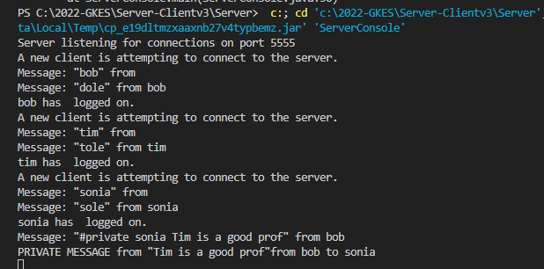 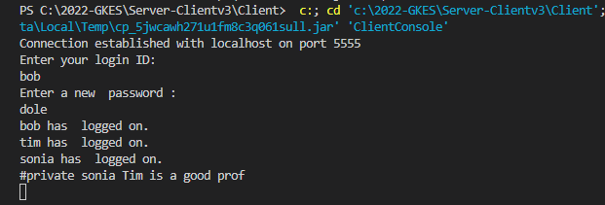 
9 | Testcase 3010 System: Simple Chat Phase: 3 Channel check Severity: 1 Instructions: 1. Start a server and 3 clients. Log on as "bob", "tim" and "sonia". 2. On client sonia's console type "#channel 4". 3. On client tim's console type "#channel 4". 4. On client sonia's console type "bob should not get this." Expected result: 1. "sonia" receives the message "sonia has joined channel: 4". 2. "sonia" and "tim" receive the message "tim has joined channel: 4". 3. "sonia" and "tim" receive the message "bob should not get this." 4. "bob" does not get the last message. 5. The server echoes all the messages. Cleanup: (Unless proceeding to Testcase 3011) Hit CTRL+C to kill the clients. Hit CTRL+C to kill the server. | 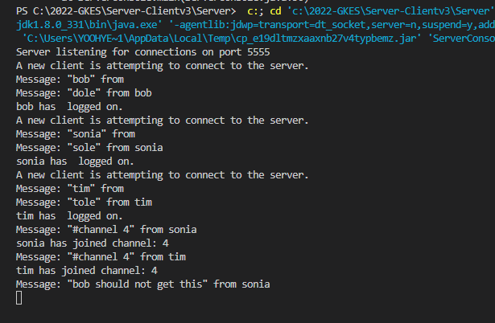  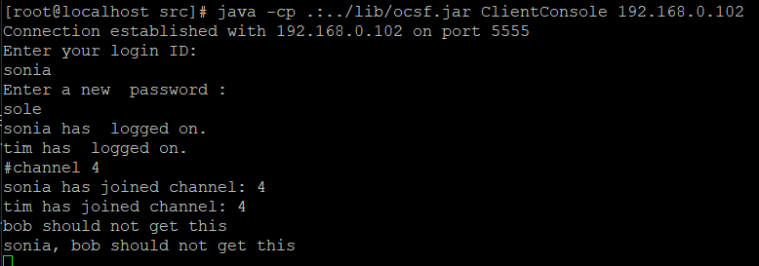 
10 | Testcase 3011 System: Simple Chat Phase: 3 Blocking check Severity: 2 Instructions: 1. Start 3 clients and a server. Login as "sonia", "tim" and "bob". 2. Put clients "sonia" and "tim" on channel 4 by typing "#channel 4". 3. On sonia's console, type "#block tim". 4. "tim" sends a normal message and a private message to "sonia". 5. "tim" sends a private message to "bob". Expected result: 1. "sonia" receives a message confirming that any messages from "tim" will be blocked. 2. "sonia" does not receive any of tim's messages. 3. "bob" receives tim's private message. 4. The server echoes messages normally. Cleanup: (Unless proceeding to testcase 3012) Hit CTRL+C to kill the clients. Hit CRTL+C to kill the server. | 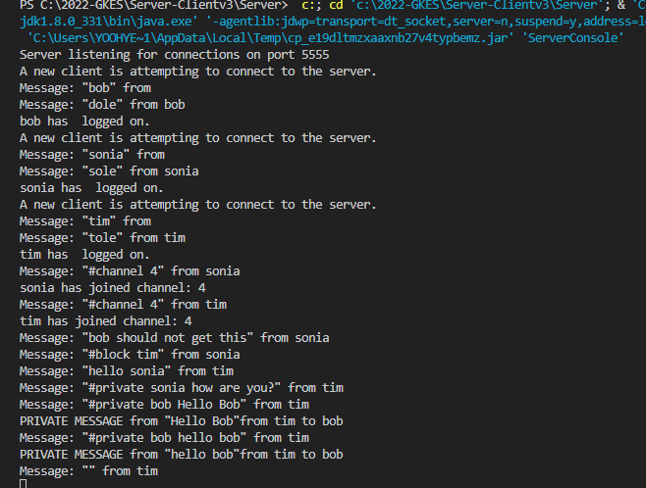 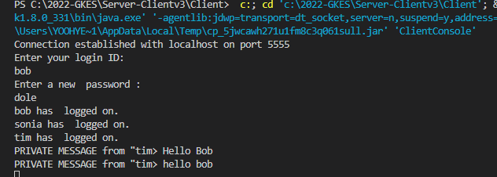 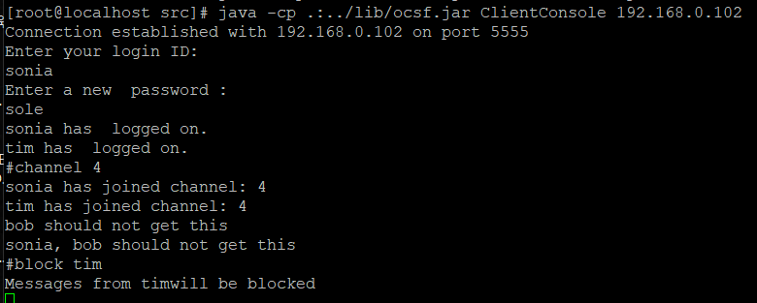 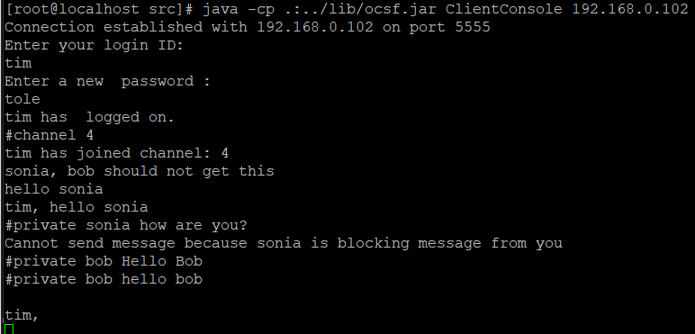
11 | Testcase 3012 System: Simple Chat Phase: 3 Blocked users and blocking users check Severity: 3 Instructions: 1. Start a server and 3 clients. Log in as "bob", "sonia" and "tim". 2. On sonia's console type "#block tim". 3. On sonia's console type "#whoiblock". 4. On tim's console type "#whoblocksme". Expected results: 1. "sonia" receives a message confirming messages from "tim" will be blocked. 2. The "whoiblock" command will return the following: Messages from user tim are blocked. 3. The "whoblocksme" command will return the following to "tim" User block check: User sonia is blocking messages from you. Cleanup: (Unless proceeding to Testcase 3013) Hit CTRL+C to kill the clients. Hit CTRL+C to kill the server. | 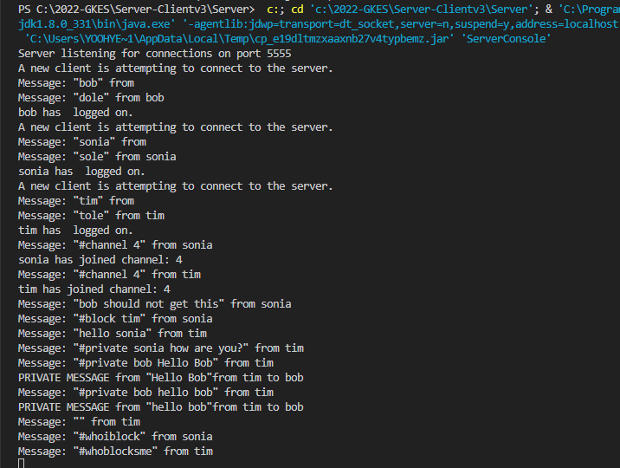 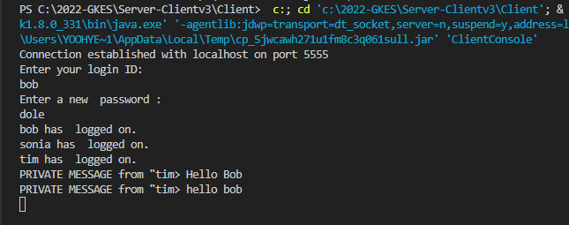 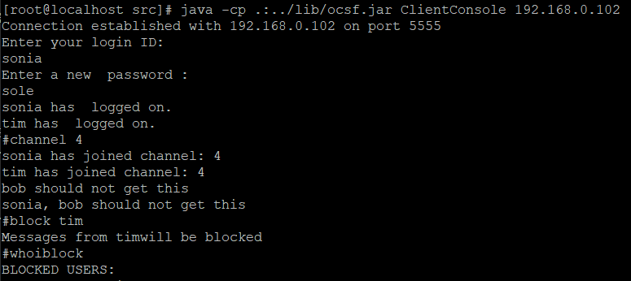 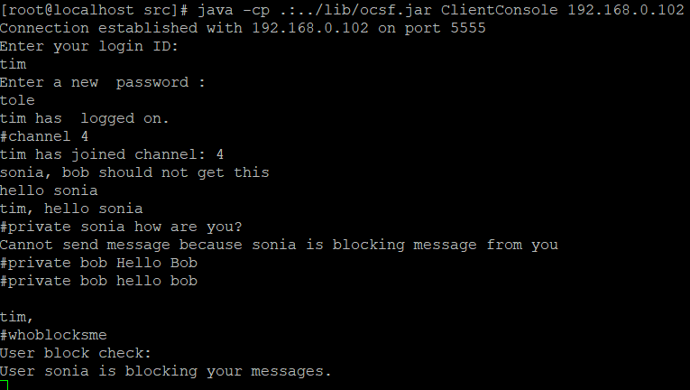
12 | Testcase 3013 System: Simple Chat Phase: 3 Message forwarding check Severity: 1 Instructions: 1. Start a server and 3 clients. Login as "bob", "tim" and "sonia". 2. On tim's console type: "#fwd bob". 3. "sonia" sends a private message to "tim". Expected result: 1. "tim" receives a message indicating all his messages will be forwarded to "bob". 2. "tim" does not receive the private message. 3. "bob" receives the private message but with the prefix "forwarded". Cleanup (Unless proceeding to Testcase 3014): Hit CTRL+C to kill the server. Hit CTRL+C to kill the clients. | 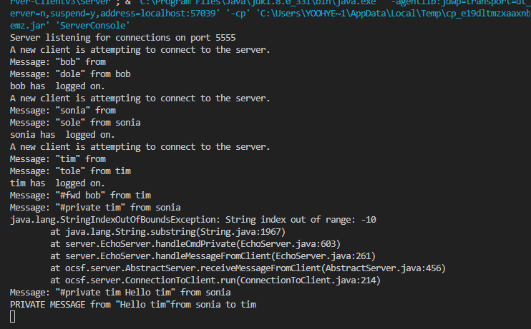   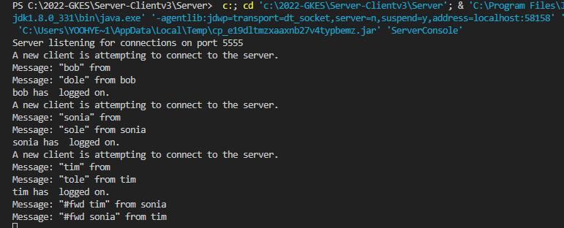
13 | Testcase 3014 System: Simple Chat Phase: 3 Infinite forward loop check Severity: 1 Instructions: 1. Start a server and 3 clients. Log in as "bob", "sonia" and "tim". 2. Have "sonia" forward her messages to "tim". 3. Have "tim" forward his messages to "sonia". Expected result: 1. "sonia" can forward her messages to "tim". 2. "tim" receives a message from the server indicating that a loop would result if he forwarded his messages to "sonia". Cleanup (Unless proceeding to Testcase 3015) Hit CTRL+C to kill the server. Hit CTRL+C to kill the client. |   
14 | 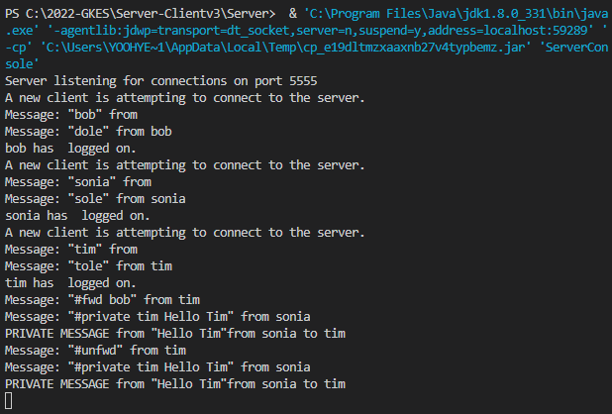 Testcase 3015 System: Simple Chat Phase: 3 Unforwarding Severity: 1 Instructions: 1. Start a server and 3 clients. Log in as "bob", "tim" and "sonia". 2. Have "tim" forward his messages to "bob". 3. Have "sonia" send a private message to "tim". 4. On tim's console type: "#unfwd". 5. Repeat step 3. Expected Result: 1. "tim" receives a message confirming his messages will be forwarded to "bob". 2. "bob" receives the private message. 3. "tim" receives a message saying that his messages will no longer be forwarded. 4. "bob" does not receive the private message, but "tim" does. Cleanup: (Unless proceeding to Testcase 3016) Hit CTRL+C to kill the server. Hit CTRL+C to kill the clients. | 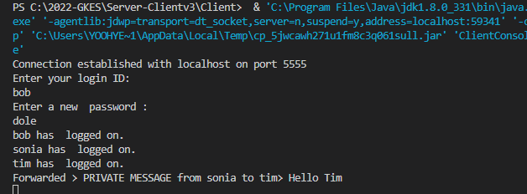  
15 | Testcase 3016 System: Simple Chat Phase: 3 Public message check Severity: 2 Instructions: 1. Start a server and 3 clients. Log in as "bob", "sonia" and "tim". 2. On bob's console type: "#channel bob". 3. Send a message from sonia's console. 4. Then from sonia's console type: "#pub hello". Expected results: 1. "bob" goes to channel bob and receives confirmation of this. 2. "bob" does not receive the first message but "tim" and "sonia" do. 3. Everyone, server included, sees the third message as follows: "public message from sonia> hello". Cleanup: Type #quit to kill the clients Type #quit to kill the server | 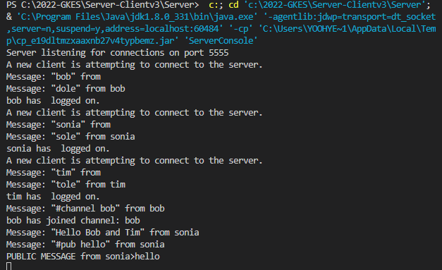 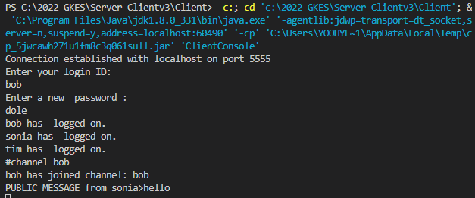  
16 | Testcase 3017 System: Simple Chat Phase: 3 Warning and punting Severity: 2 Instructions: 1. Start a server and a client and login as "bob". 2. On the server's console type: "#warn bob". 3. On the server's console type: "#punt bob". Expected results: 1. "bob" receives a warning message. 2. "bob" is expelled from the server. Cleanup (Unless proceeding to Testcase 3018): Type #quit to kill the server | 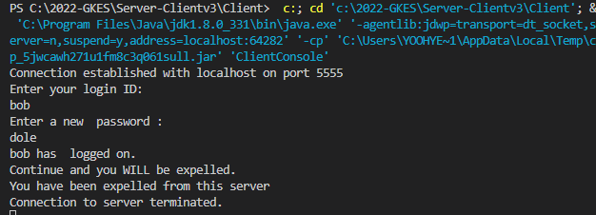 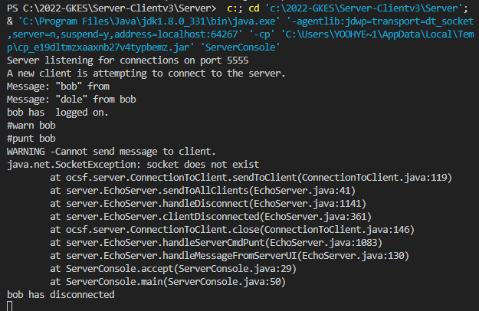
17 | Testcase 3018 System: Simple Chat Phase: 3 Forwarding to a blocking client Severity: 2 Instructions: 1. Start a server and 2 clients. Login as "bob" and "sonia". 2. On sonia's console type "#block bob". 3. On bob's console type "#fwd sonia". Expected results: 1. "sonia" receives a message confirming that messages from "bob" will be blocked. 2. "bob" receives a message indicating that he cannot forward messages to "sonia" as she is blocking messages from him. Cleanup: Hit CTRL+C to kill the server. Hit CTRL+C to kill the clients. | 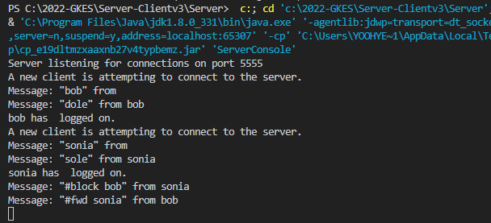 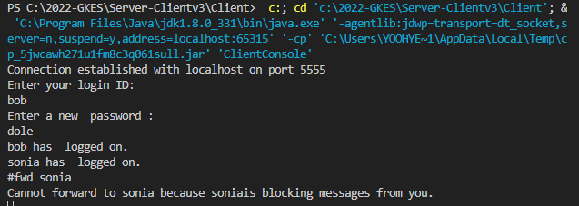 
18 | Testcase 3019 System: Simple Chat Phase: 3 Blocking a forwarding client Severity: 2 Instructions: 1. Start a server and 2 clients. Login as "tim" and "sonia". 2. On sonia's console type: "#fwd tim". 3. On tim's console type: "#block sonia". 4. Have tim send a message. Expected results: 1. "tim" receives a message confirming that his messages will now be forwarded to "sonia". 2. "sonia" receives two messages. The first confirming that messages from "tim" will now be blocked; the second indicating that the forwarding from "tim" has been ended. 3. "tim" receives a message indicating that the forwarding to "sonia" has ended as "sonia" is now blocking messages from him. 4. "sonia" does not receive tim's last message. Cleanup: Hit CTRL+C to kill the server. Hit CTRL+C to kill the clients. | 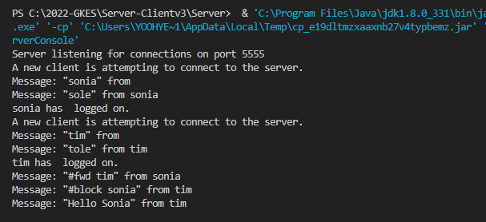  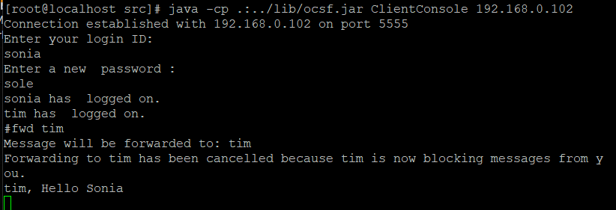
19 | Testcase 3020 System: Simple Chat Phase: 3 Blocking forwarded messages, and sending a private message from the server Severity: 1 Instructions: 1. Start a server and 3 clients. Login as "tim" and "sonia" and "bob". 2. On sonia's console type: "#fwd bob". 3. On bob's console type: "#fwd tim". 3. On tim's console type: "#block sonia". 4. Have the server send a private message to "sonia". Expected results: 1. "bob" receives the following message: A message saying that he cannot forward to "tim" because "tim" is blocking a previous recipient in the forwarding chain. 2. "bob" receives the following message: A message consisting of the forwarded message. 3. "tim" does not recieve any message. Cleanup: Hit CTRL+C to kill the server. Hit CTRL+C to kill the clients. | 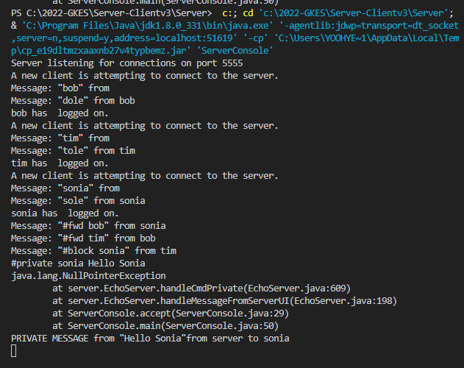 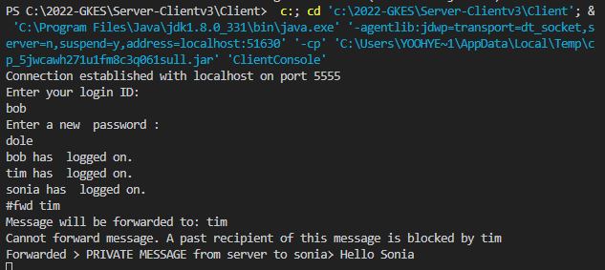
20 | 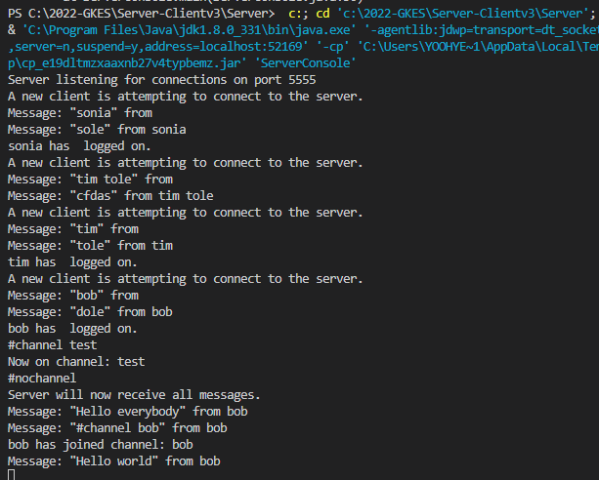 Testcase 3021 System: Simple Chat Phase: 3 The server's channel and nochannel commands Severity: 1 Instructions: 1. Start a server and 3 clients. Login as "bob", "tim" and "sonia". 2. On the server's console, type "#channel test". 3. Have "bob" send a normal message. 4. On the server's console, type "#nochannel". 5. Have "bob" send a normal message. 6. Send "bob" to channel "bob". 7. Have "bob" send a normal message. Expected results: 1. The server console should display a message indicating that the server is now on channel test. 2. The server should not see bob's first message, but all the other do. 3. The server should return to the main channel and display a message to this effect. 4. Everyone should see bob's second message. 5. Only "bob" and the server should see bob's last message. Cleanup: (Unless proceeding to testcase 3022) Hit CTRL+C to kill the clients Hit CTRL+C to kill the server | 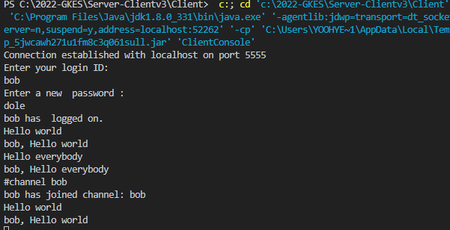  
21 | 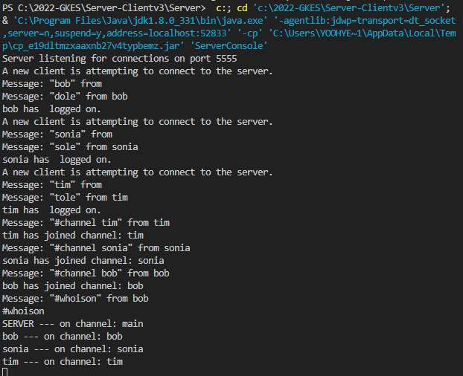 Testcase 3022 System: Simple Chat Phase: 3 The #whoison command Severity: 1 Instructions: 1. Start a server and 3 clients. Login as "bob", "tim" and "sonia". 2. Send "bob" to channel "bob". 3. Send "tim" to channel "tim". 4. Send "sonia" to channel "sonia". 5. On any one of the clients' consoles, type "#whoison". 6. On the server's console, type "#whoison". Expected result: 1. The following block of text on both the client and the server. SERVER --- on channel: main bob --- on channel: bob sonia --- on channel: sonia tim --- on channel: tim Cleanup: Hit CTRL+C to kill the server Hit CTRL+C to kill the clients |   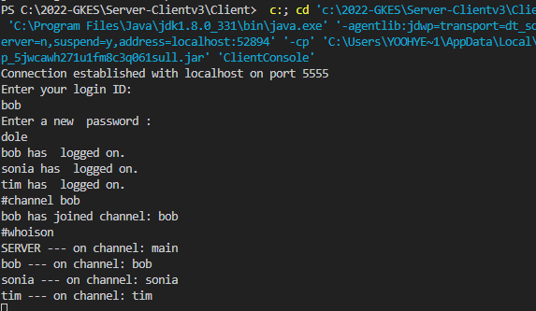
22 | Testcase 3100 System: Simple Chat Phase: 3 Interaction between different platforms Severity: 1 Instructions: 1. Repeat the testcases with multiple clients alternating using different Operating Systems for the clients and server (ie. Interact Solaris with Windows NT, etc...) Expected results: 1. The same as before.
23 | Testcase 4001 System: Simple Chat Phase: 4 Phase 4 Severity: 1 Instructions: 1. Repeat all the testcases. Expected results: 1. The same as before.

